Home
Home
Energy
Chiller
Pump
Financials
Results

i

Language |  | English | Units | US | FALSE
Project |  | UTSA
Information |  | 4 chillers; installed 1600 tons
i
Climate region |  | South | Chiller cooling | Water Cooled | Plant design | Primary/Secondary
Utility Company |  | None | Program
INPUT DATA: CHILLED WATER PLANT
 |  |  |  |  | Value | Unit
i
Electricity cost (average) |  |  |  |  | 0.12 | $/kWh
Design cooling load |  |  |  |  | 1500 | tons
Number of chillers |  |  |  |  | 4 | pcs.
Operating hours per day |  |  |  |  | 24 | hours
Operating days per week |  |  |  |  | 7 | days
i
Chiller design efficiency |  |  |  |  | 0.63 | kW/ton
Actual Secondary Pump Head (Design) |  |  |  |  | 80 | ft
i
Pump, VFD and motor efficiency |  |  |  |  | 80 | %
Design Delta-T |  |  |  |  | 12 | °F
Actual Delta-T before Energy Valve |  |  |  |  | 8 | °F
Future Energy Valve Delta-T setting |  |  |  |  | 14 | °F
ANNUAL ENERGY COSTS
i
i
i
i
i
i
i
Delta-T [°F] | Avg [GPM] | Avg [tons] | Pumping Cost | Chiller Cost | Total Cost | Energy [kWh]
6 | 2475 | 619 | $70,362 | $294,654 | $365,016 | 3,041,800
8 | 2006 | 669 | $41,411 | $249,763 | $291,174 | 2,426,450
10 | 1736 | 723 | $27,589 | $240,071 | $267,660 | 2,230,501
12 | 1534 | 767 | $18,763 | $195,381 | $214,144 | 1,784,536
14 | 1368 | 798 | $12,397 | $189,420 | $201,817 | 1,681,810
Annual Energy Savings for changing Delta T from 8 to 14 |  |  | 70% | 24% | 31% | %
 |  |  | $29,014 | $60,342 | $89,357 | (744,639)
INPUT FINANCIALS
i
i
 |  |  |  |  | Value | Unit
Incremental Energy Valve investment |  |  |  |  | 170,000 | $
Discount rate |  |  |  |  | 4 | %
i
Annual energy-cost inflation |  |  |  |  | 2 | %
FINANCIAL ANALYSIS RESULTS
i
i
Investment Horizon |  |  | 5 years | 10 years | 15 years | 20 years
Savings-Investment Ratio (SIR) |  |  | 2.43 | 4.64 | 6.64 | 8.46
Net Present Value (NPV) |  |  | $243,391 | $618,533 | $958,965 | $1,267,897
GREENHOUSE GAS EQUIVALENTS
i
i
 |  |  |  |  | Value | Unit
Annual carbon dioxide avoided |  |  |  |  | 138,950 | pounds
Tree seedlings grown for 10 years |  |  |  |  | 1616 | tree seedlings
i
Equivalent annual home electricity use |  |  |  |  | 9 | homes
DISCLAIMER
Copyright by BELIMO Aircontrols (USA), Inc., Danbury, CT, 2014. This is an estimating tool. Results are dependent on the accuracy of input values and specific plant details. For more accurate results, additional plant data and complex modeling software is necessary. In order to better analyze an existing plant Belimo recommends installing 3 Energy Valves at strategic locations in order to obtain actual measured data.

V.2026.11.0

Energy
Home
Energy
Chiller
Pump
Financials
Results

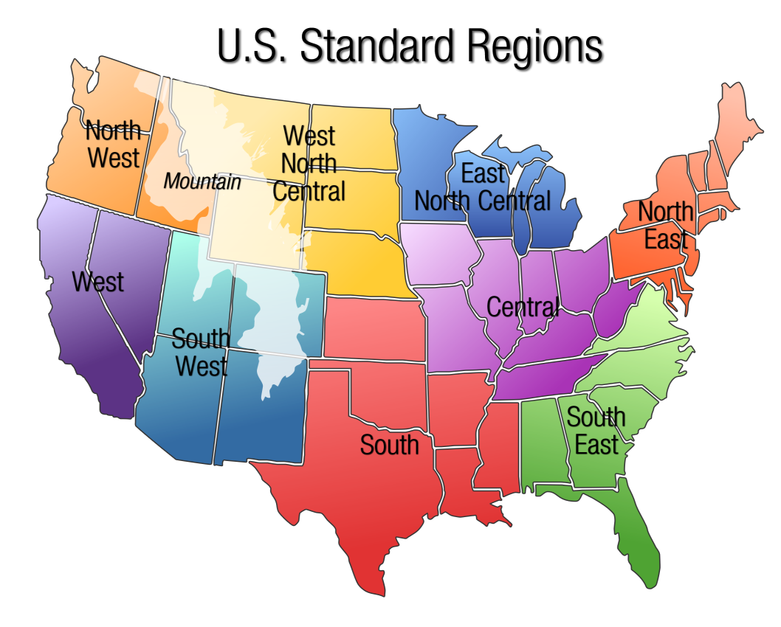
Operating Hours / Day |  | 24 | hours |  | Editable field
Operating Days / Week |  | 7 | days |  | Label
Annual Operating Hours |  | 14955 | hours

i
Point | Bin | Load [%] | Time [%] | Operating Hours
A | Design | 100% | 5.0% | 748
B | Peak | 75% | 15.0% | 2243
C | Low | 50% | 45.0% | 6730
D | Min | 25% | 35.0% | 5234
 |  |  |  | 14955

i
i
 |  |  | Cooling Degree Days [°F·day] | Humidity Adjustment | Multiplier
Climate region
North East |  |  | 1034 | 30% | 0.88
Central |  |  | 1090 | 30% | 0.93
East North Central |  |  | 975 | 30% | 0.83
West North Central |  |  | 1123 | 15% | 0.85
South East |  |  | 2264 | 30% | 1.93
South |  |  | 2004 | 30% | 1.71
South West |  |  | 2750 | 5% | 1.89
Mountain |  |  | 1450 | 5% | 1.00
North West |  |  | 720 | 5% | 0.50
West |  |  | 1850 | 5% | 1.27
i
Custom Region |  |  | 3793 | 30% | 3.23
Average US |  |  | 1526 | 19% | 1.19

Selected Value |  |  |  |  | 1.71

Chiller
Home
Energy
Chiller
Pump
Financials
Results

i
i
Aggregation of energy consumption |  |  |  | [kW/ton] | Ratio
KW1 Compressor |  |  |  | 0.630 | 83% |  | Editable field
KW2 Constant Speed Primary Pump |  |  |  | 0.038 | 5% |  | Label
i
KW3 Condenser Pump |  |  |  | 0.040 | 5%
i
KW4 Cooling Tower Fan |  |  |  | 0.040 | 5%
i
KW5 Chiller Controls |  |  |  | 0.005 | 1% |  |  |  | Chiller Plant Piping | Chiller cooling
i
KW6 Transmission Oil Pump and Heater |  |  |  | 0.010 | 1% |  |  |  | Primary/Secondary | Water cooled
Total Chiller Plant Energy Consumption |  |  |  | 0.763 | 100% |  |  |  | Variable Primary | Air cooled
i
Chiller Savings Method: |  |  |  | Original (auxiliaries only) |  |  |  |  | Full plant (incl. compressor)
 |  |  |  |  |  |  |  |  | Original (auxiliaries only) |  | Actual Delta-T energy usage | Actual % | Future Delta-T energy usage | Future %
i
Chiller Cycling Percent: |  |  |  | 0% |  |  |  |  |  | Chiller | 34207.160663 | 98.08 | 10240.192199 | 29.36
 |  |  |  |  |  |  |  |  |  | KW1 Compressor | 28256.414947 | 81.02 | 8458.7879934 | 76.63
Chiller energy usage at Delta-T [°F]: |  |  |  | 6 |  |  |  |  |  | KW2 Constant Speed Primary Pump | 1689.8577481 | 4.85 | 505.87268263 | 4.58
i
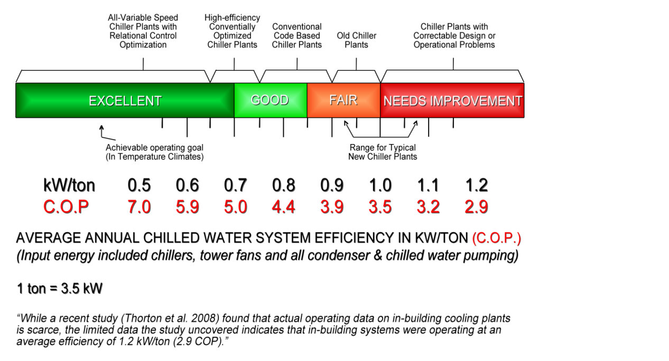
Load [%] | Time [%] | Time [h] | Flow [GPM] | tons | Chillers On | Power [kW] |  |  |  | KW3 Condenser Pump | 1794.0580918 | 5.14 | 537.06590435 | 4.87
100 | 5.0 | 748 | 3000 | 750 | 4 | 199 | Chiller costs | $294,654 |  | KW4 Cooling Tower Fan | 1794.0580918 | 5.14 | 537.06590435 | 4.87
75 | 15.0 | 2243 | 3000 | 750 | 4 | 199 | Avg Tonage | 619 |  | KW5 Chiller Controls | 224.25726148 | 0.64 | 67.133238043 | 0.61
50 | 45.0 | 6730 | 3000 | 750 | 4 | 199 | Plant kW/ton | 0.265 |  | KW6 Transmission Oil Pump and Heater | 448.51452296 | 1.29 | 134.26647609 | 1.22
25 | 35.0 | 5234 | 1500 | 375 | 2 | 100 | Energy [kWh] | 2455448 |  | Pump | 668.75 | 1.92 | 797.80145174 | 7.23
 |  |  |  |  |  |  |  |  |  |  | 34875.91 | 100.00 | 11037.99 | 100.00

Chiller energy usage at Delta-T [°F]: |  |  |  | 8
Load [%] | Time [%] | Time [h] | Flow [GPM] | tons | Chillers On | Power [kW]
100 | 5.0 | 748 | 3000 | 1000 | 4 | 199 | Chiller costs | $249,763
75 | 15.0 | 2243 | 3000 | 1000 | 4 | 199 | Avg Tonage | 669
50 | 45.0 | 6730 | 2250 | 750 | 3 | 149 | Plant kW/ton | 0.208
25 | 35.0 | 5234 | 1125 | 375 | 2 | 92 | Energy [kWh] | 2081357

Chiller energy usage at Delta-T [°F]: |  |  |  | 10
Load [%] | Time [%] | Time [h] | Flow [GPM] | tons | Chillers On | Power [kW]
100 | 5.0 | 748 | 3000 | 1250 | 4 | 199 | Chiller costs | $240,071
75 | 15.0 | 2243 | 2700 | 1125 | 4 | 193 | Avg Tonage | 723
50 | 45.0 | 6730 | 1800 | 750 | 2 | 140 | Plant kW/ton | 0.185
25 | 35.0 | 5234 | 1061 | 442 | 1 | 91 | Energy [kWh] | 2000593

Chiller energy usage at Delta-T [°F]: |  |  |  | 12
Load [%] | Time [%] | Time [h] | Flow [GPM] | tons | Chillers On | Power [kW]
100 | 5.0 | 748 | 3000 | 1500 | 4 | 199 | Chiller costs | $195,381
75 | 15.0 | 2243 | 2250 | 1125 | 3 | 149 | Avg Tonage | 767
50 | 45.0 | 6730 | 1500 | 750 | 2 | 100 | Plant kW/ton | 0.142
25 | 35.0 | 5234 | 1061 | 530 | 1 | 91 | Energy [kWh] | 1628176

Chiller energy usage at Delta-T [°F]: |  |  |  | 14
Load [%] | Time [%] | Time [h] | Flow [GPM] | tons | Chillers On | Power [kW]
100 | 5.0 | 748 | 2571 | 1500 | 3 | 190 | Chiller costs | $189,420
75 | 15.0 | 2243 | 1929 | 1125 | 3 | 143 | Avg Tonage | 798
50 | 45.0 | 6730 | 1286 | 750 | 2 | 95 | Plant kW/ton | 0.132
25 | 35.0 | 5234 | 1061 | 619 | 1 | 91 | Energy [kWh] | 1578504

Pump
Home
Energy
Chiller
Pump
Financials
Results

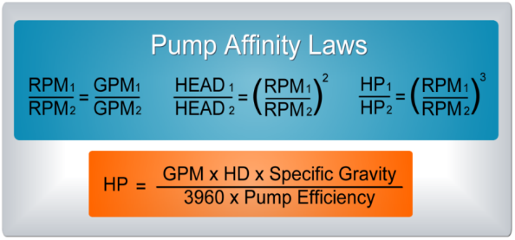
i
i
i
 |  |  |  |  |  |  |  | Editable field
Pump design factor |  |  |  | 100% |  |  |  | Label
Design chilled-water distribution flow |  |  |  | 12
i
Load [%] | Time [%] | Time [h] | Flow [GPM] | Head [ft] | Power [HP] |  |  | Power [kW]
100 | 5.0 | 748 | 3000 | 80 | 75.8 | Pump costs | $18,763 | 57
75 | 15.0 | 2243 | 2250 | 45 | 32.0 | Annual Gallons | 1376230268
50 | 45.0 | 6730 | 1500 | 20 | 9.5 | Avg GPM | 1534
25 | 35.0 | 5234 | 1061 | 10 | 3.3 | Energy [kWh] | 156360

i
Minimum pump head |  | [ft] |  | 10
Load [%] | Time [%] | Time [h] | Flow [GPM] | Head [ft] | Power [HP] | Power [kW]
 |  |  | 1061 | 10 | 3.3 | 2.5

Chilled-water distribution flow at Delta-T [°F]: |  |  |  | 6
Load [%] | Time [%] | Time [h] | Flow [GPM] | Head [ft] | Power [HP]
100 | 5.0 | 748 | 3000 | 80 | 75.8 | Pump costs | $70,362
75 | 15.0 | 2243 | 3000 | 80 | 75.8 | Annual Gallons | 2220839104
50 | 45.0 | 6730 | 3000 | 80 | 75.8 | Avg GPM | 2475
25 | 35.0 | 5234 | 1500 | 20 | 9.5 | Energy [kWh] | 586352

Chilled-water distribution flow at Delta-T [°F]: |  |  |  | 8
Load [%] | Time [%] | Time [h] | Flow [GPM] | Head [ft] | Power [HP] |  | Pump costs
100 | 5.0 | 748 | 3000 | 80 | 75.8 | Pump costs | $41,411
75 | 15.0 | 2243 | 3000 | 80 | 75.8 | Annual Gallons | 1800225637
50 | 45.0 | 6730 | 2250 | 45 | 32.0 | Avg GPM | 2006
25 | 35.0 | 5234 | 1125 | 11 | 4.0 | Energy [kWh] | 345093

Chilled-water distribution flow at Delta-T [°F]: |  |  |  | 10
Load [%] | Time [%] | Time [h] | Flow [GPM] | Head [ft] | Power [HP] |  | Pump costs
100 | 5.0 | 748 | 3000 | 80 | 75.8 | Pump costs | $27,589
75 | 15.0 | 2243 | 2700 | 65 | 55.2 | Annual Gallons | 1557935285
50 | 45.0 | 6730 | 1800 | 29 | 16.4 | Avg GPM | 1736
25 | 35.0 | 5234 | 1061 | 10 | 3.3 | Energy [kWh] | 229907

Chilled-water distribution flow at Delta-T [°F]: |  |  |  | 12
Load [%] | Time [%] | Time [h] | Flow [GPM] | Head [ft] | Power [HP] |  | Pump costs
100 | 5.0 | 748 | 3000 | 80 | 75.8 | Pump costs | $18,763
75 | 15.0 | 2243 | 2250 | 45 | 32.0 | Annual Gallons | 1376230268
50 | 45.0 | 6730 | 1500 | 20 | 9.5 | Avg GPM | 1534
25 | 35.0 | 5234 | 1061 | 10 | 3.3 | Energy [kWh] | 156360

Chilled-water distribution flow at Delta-T [°F]: |  |  |  | 14
Load [%] | Time [%] | Time [h] | Flow [GPM] | Head [ft] | Power [HP] |  | Pump costs
100 | 5.0 | 748 | 2571 | 59 | 47.7 | Pump costs | $12,397
75 | 15.0 | 2243 | 1929 | 33 | 20.1 | Annual Gallons | 1227212925
50 | 45.0 | 6730 | 1286 | 15 | 6.0 | Avg GPM | 1368
25 | 35.0 | 5234 | 1061 | 10 | 3.3 | Energy [kWh] | 103306

Financials
Home
Energy
Chiller
Pump
Financials
Results

FINANCIAL ANALYSIS OF EFFICIENCY IMPROVEMENTS Simulating Streams of Cash Inflows and Outflows *Sample Analysis*

i
Discount rate: | 4%
Finance rate | 6%
Reinvestment rate | 6%
i
Inflation Rate | 2%

 | Today | End of Year 1 | End of Year 2 | End of Year 3 | End of Year 4 | End of Year 5 | End of Year 6 | End of Year 7 | End of Year 8 | End of Year 9 | End of Year 10 | End of Year 11 | End of Year 12 | End of Year 13 | End of Year 14 | End of Year 15 | End of Year 16 | End of Year 17 | End of Year 18 | End of Year 19 | End of Year 20
Date: | 0 | 1 | 2 | 3 | 4 | 5 | 6 | 7 | 8 | 9 | 10 | 11 | 12 | 13 | 14 | 15 | 16 | 17 | 18 | 19 | 20
CASH OUTFLOWS

i
Single Investment | ($170,000) | $0 | $0 | $0 | $0 | $0 | $0 | $0 | $0 | $0 | $0 | $0 | $0 | $0 | $0 | $0 | $0 | $0 | $0 | $0 | $0
Phased Investment | $0 | $0 | $0 | $0 | $0 | $0 | $0 | $0 | $0 | $0 | $0 | $0 | $0 | $0 | $0 | $0 | $0 | $0 | $0 | $0 | $0
Financed Investment | $0 | $0 | $0 | $0 | $0 | $0 | $0 | $0 | $0 | $0 | $0 | $0 | $0 | $0 | $0 | $0 | $0 | $0 | $0 | $0 | $0
Subtotal | ($170,000) | $0 | $0 | $0 | $0 | $0 | $0 | $0 | $0 | $0 | $0 | $0 | $0 | $0 | $0 | $0 | $0 | $0 | $0 | $0 | $0
Rebate Rec'd at Project Start | $0
Subtotal Outflows | ($170,000) | $0 | $0 | $0 | $0 | $0 | $0 | $0 | $0 | $0 | $0 | $0 | $0 | $0 | $0 | $0 | $0 | $0 | $0 | $0 | $0
CASH INFLOWS

i
Energy savings |  | $89,357 | $91,144 | $92,967 | $94,826 | $96,723 | $98,657 | $100,630 | $102,643 | $104,696 | $106,790 | $108,925 | $111,104 | $113,326 | $115,592 | $117,904 | $120,262 | $122,668 | $125,121 | $127,623 | $130,176
Maintenance/Penalty Savings |  | $0 | $0 | $0 | $0 | $0 | $0 | $0 | $0 | $0 | $0 | $0 | $0 | $0 | $0 | $0 | $0 | $0 | $0 | $0 | $0
Rebates Rec'd after Project Start |  | $0 | $0 | $0 | $0 | $0 | $0 | $0 | $0 | $0 | $0 | $0 | $0 | $0 | $0 | $0 | $0 | $0 | $0 | $0 | $0
Subtotal Inflows |  | $89,357 | $91,144 | $92,967 | $94,826 | $96,723 | $98,657 | $100,630 | $102,643 | $104,696 | $106,790 | $108,925 | $111,104 | $113,326 | $115,592 | $117,904 | $120,262 | $122,668 | $125,121 | $127,623 | $130,176

Annual cash flow | ($170,000) | $89,357 | $91,144 | $92,967 | $94,826 | $96,723 | $98,657 | $100,630 | $102,643 | $104,696 | $106,790 | $108,925 | $111,104 | $113,326 | $115,592 | $117,904 | $120,262 | $122,668 | $125,121 | $127,623 | $130,176

i
PV of Outflows (for SIR) | ($170,000) | $0 | $0 | $0 | $0 | $0 | $0 | $0 | $0 | $0 | $0 | $0 | $0 | $0 | $0 | $0 | $0 | $0 | $0 | $0 | $0
PV of Inflows (for SIR) | $0 | $85,920 | $84,268 | $82,647 | $81,058 | $79,499 | $77,970 | $76,471 | $75,000 | $73,558 | $72,143 | $70,756 | $69,395 | $68,061 | $66,752 | $65,468 | $64,209 | $62,974 | $61,763 | $60,575 | $59,411
Cumulative Cash Flows | ($170,000) | ($80,643) | $10,501 | $103,467 | $198,293 | $295,016 | $393,673 | $494,303 | $596,946 | $701,642 | $808,431 | $917,357 | $1,028,460 | $1,141,786 | $1,257,379 | $1,375,283 | $1,495,546 | $1,618,213 | $1,743,334 | $1,870,958 | $2,001,133
Annual Present Value | ($170,000) | $85,920 | $84,268 | $82,647 | $81,058 | $79,499 | $77,970 | $76,471 | $75,000 | $73,558 | $72,143 | $70,756 | $69,395 | $68,061 | $66,752 | $65,468 | $64,209 | $62,974 | $61,763 | $60,575 | $59,411
Cumulative Present Value | $(170,000) | $(84,080) | $188 | $82,835 | $163,892 | $243,391 | $321,361 | $397,832 | $472,832 | $546,390 | $618,533 | $689,289 | $758,684 | $826,745 | $893,496 | $958,965 | $1,023,174 | $1,086,148 | $1,147,911 | $1,208,487 | $1,267,897
 |  | *Note: Certain Returns Vary Depending on the Length of the Analysis Term*
 | 10 Year | 1 Year | 2 Years | 3 Years | 4 Years | 5 Years | 6 Years | 7 Years | 8 Years | 9 Years | 10 Years | 11 Years | 12 Years | 13 Years | 14 Years | 15 Years | 16 Years | 17 Years | 18 Years | 19 Years | 20 Years
i
Net Present Value (NPV) | $618,533 | ($84,080) | $188 | $82,835 | $163,892 | $243,391 | $321,361 | $397,832 | $472,832 | $546,390 | $618,533 | $689,289 | $758,684 | $826,745 | $893,496 | $958,965 | $1,023,174 | $1,086,148 | $1,147,911 | $1,208,487 | $1,267,897
i
Simple Payback Period (SPP) | 1.9
i
Return on Investment (ROI) | 52.6%
i
Internal Rate of Return (IRR) | 53.7% | -47.4% | 4.1% | 27.9% | 39.6% | 45.7% | 49.2% | 51.2% | 52.5% | 53.2% | 53.7% | 51.2% | 52.5% | 53.2% | 53.7% | 51.2% | 52.5% | 53.2% | 53.7% | 51.2% | 52.5%
i
Mod. Internal Rate of Return (MIRR) | 22.3% | -47.4% | 4.6% | 19.5% | 24.0% | 25.2% | 25.1% | 24.6% | 23.9% | 23.1% | 22.3% | 24.6% | 23.9% | 23.1% | 22.3% | 24.6% | 23.9% | 23.1% | 22.3% | 24.6% | 23.9%
i
Savings-Investment Ratio (SIR) | 4.6 | 0.5 | 1.0 | 1.5 | 2.0 | 2.4 | 2.9 | 3.3 | 3.8 | 4.2 | 4.6 | 5.1 | 5.5 | 5.9 | 6.3 | 6.6 | 7.0 | 7.4 | 7.8 | 8.1 | 8.5
10-YEAR CASH FLOW
 | V.2026.11.0
i

i
CUMULATIVE 10-YEAR CASH FLOW

10-YEAR PRESENT VALUE
i

CUMULATIVE 10-YEAR PRESENT VALUE
i
 | -69600 12272.72727 12396.69421 12509.39144 12611.84345 12704.98165 12789.65274 12866.62646 12936.60257 13000.21721 13058.0487
Today | -69600
End of YR 1 | -57327.272727
End of YR 2 | -44930.578512
End of YR 3 | -32421.187077
End of YR 4 | -19809.343624
End of YR 5 | -7104.3619723
End of YR 6 | 5685.290769
End of YR 7 | 18551.917228
End of YR 8 | 31488.519794
End of YR 9 | 44488.737003
End of YR 10 | 57546.785705

Results
Home
Energy
Chiller
Pump
Financials
Results

Results

How Energy Valves Deliver Savings
Explore a different Delta-T: | From: 8.0 °F |  | To: 12.0 °F
By raising the chilled water Delta-T from 8.0 to 14.0 °F, Energy Valves reduce the flow rate needed to meet the same cooling load, cutting pump energy, while letting the chiller run more efficiently, reducing chiller energy too. Together, these two effects drive the total plant savings shown below.

Total Annual Savings |  |  |  |  |  | Total Annual Energy Saved
$77,030 |  |  |  |  |  | 641,913 kWh

Metric | dT = 8.0 °F | dT = 12.0 °F |  | Estimated annual savings
Delta-T | 8 | 12 |  | Pumping savings (from reduced pump flow) | $22,648
Average flow | 2,006 | 1,534 |  | Chiller savings (from improved chiller efficiency) | $54,382
Average cooling load | 668.7 | 766.9 |  | Total cost savings | $77,030
Pumping cost per year | $41,411 | $18,763 |  | Energy savings | 641,913
Chiller cost per year | $249,763 | $195,381
Total cost per year | $291,174 | $214,144
Energy per year | 2,426,450 | 1,784,536

dT = 8.0 °F — Layman’s Interpretation

Current pumping summary: $41,411/yr; flow 2,006.3 GPM

Current annual chiller cost: $249,763

dT = 12.0 °F — Layman’s Interpretation

Proposed pumping summary: $18,763/yr; flow 1,533.7 GPM

Proposed annual chiller cost: $195,381

Pump Bin Details – dT = 8.0 °F |  |  |  |  |  | Pump Bin Details – dT = 12.0 °F
Load [%] | Time [h] | Flow GPM | Head ft | Pump HP |  | Load [%] | Time [h] | Flow GPM | Head ft | Pump HP
100 | 748 | 3,000 | 80.0 | 75.8 |  | 100 | 748 | 2,571 | 58.8 | 47.7
75 | 2,243 | 3,000 | 80.0 | 75.8 |  | 75 | 2,243 | 1,929 | 33.1 | 20.1
50 | 6,730 | 2,250 | 45.0 | 32.0 |  | 50 | 6,730 | 1,286 | 14.7 | 6.0
25 | 5,234 | 1,125 | 11.3 | 4.0 |  | 25 | 5,234 | 1,061 | 10.0 | 3.3

Financial & Environmental Highlights

Net Present Value (NPV) |  |  |  |  | $509,752
Savings-Investment Ratio (SIR) |  |  |  |  | 4.00
Simple Payback Period (SPP) |  |  |  |  | 2.2 years
Annual carbon dioxide avoided |  |  |  |  | 119,781 pounds
Tree seedlings grown for 10 years |  |  |  |  | 1,393 tree seedlings
Equivalent annual home electricity use |  |  |  |  | 7 homes

Utility Rebate Support

Energy savings |  |  |  |  | 641,913 kWh
Annual carbon dioxide avoided |  |  |  |  | 119,781 pounds

This analysis uses a bin-based energy model built on region-specific weather data and standard pump affinity-law calculations, providing a defensible basis for utility rebate and incentive program verification.

